Sheet1
copilot - gpt-5-mini
prompt
 | GitHub MCP を使用して CI/CD パイプラインを構築する。コードが branch_test2ブランチにプッシュされた際にワークフローをトリガーし、新しいプルリクエストを作成する。
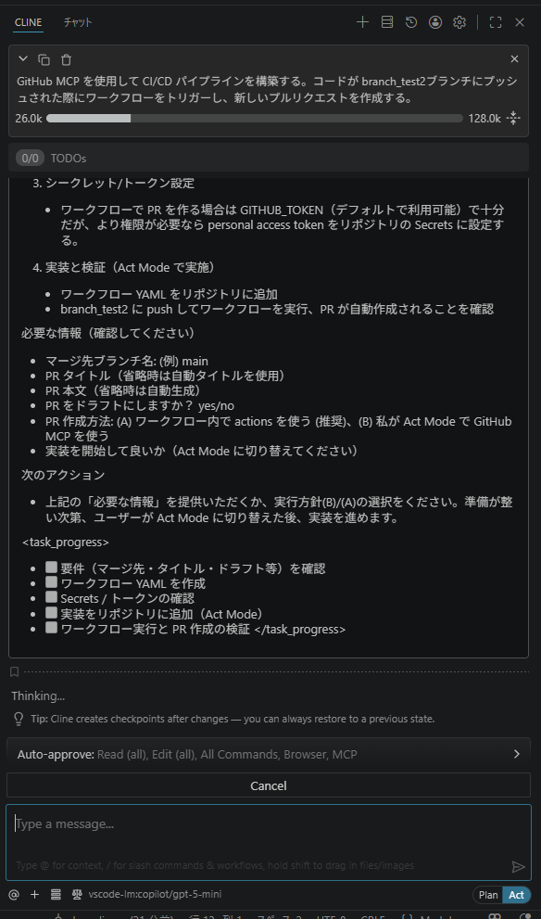

 | 追加: .github/workflows/ci-create-pr.yml

 | - トリガー: push on branch_test2
 | - 処理: build（プレースホルダ）後、actions/github-script で main へ自動 PR を作成（既存 PR がなければ作成）

 |  | name: CI and create PR
 |  | on:
 |  | push:
 |  | branches:
 |  | - branch_test2

 |  | jobs:
 |  | build:
 |  | runs-on: ubuntu-latest
 |  | steps:
 |  | - name: Checkout
 |  | uses: actions/checkout@v4

 |  | - name: Placeholder build/tests
 |  | run: |
 |  | echo "No project-specific tests configured. Placeholder build step."
 |  | echo "Build succeeded"

 |  | create_pr:
 |  | needs: build
 |  | runs-on: ubuntu-latest
 |  | steps:
 |  | - name: Create PR if not exists
 |  | uses: actions/github-script@v6
 |  | with:
 |  | script: |
 |  | const owner = context.repo.owner;
 |  | const repo = context.repo.repo;
 |  | const head = 'branch_test2';
 |  | const base = 'main';
 |  | const { data: pulls } = await github.rest.pulls.list({
 |  | owner,
 |  | repo,
 |  | state: 'open',
 |  | head: `${owner}:${head}`,
 |  | base
 |  | });
 |  | if (pulls.length > 0) {
 |  | console.log(`Existing PR found: #${pulls[0].number}`);
 |  | } else {
 |  | const { data: pr } = await github.rest.pulls.create({
 |  | owner,
 |  | repo,
 |  | title: `Auto: Merge ${head} into ${base}`,
 |  | head,
 |  | base,
 |  | body: 'Automated PR created after successful CI on branch_test2.'
 |  | });
 |  | console.log(`Created PR #${pr.number}`);
 |  | }

